Summary
Target Company: Implied Share Price |  |  |  |  |  |  |  | Comparable Trading Analysis

GBP/sh |  |  |  |  |  |  |  |  | (YYYY-MM-DD)
 |  |  |  |  |  |  |  | Analysis Date | 2022-08-31 |  |  |  |  |  |  |  |  |  |  |  |  |  | All figures in GBP millions unless stated
 |  |  |  |  |  |  |  | Next Fiscal Year | 2023 |  |  |  |  |  |  |  |  |  |  |  |  |  | 100 pence = 1 GBP

 |  |  |  |  |  |  |  |  | Enterprise | Share | Market | EBITDA 1 |  |  | EPS 1 |  |  | EV / EBITDA |  |  | P / E
 |  |  |  |  |  |  |  | Company | Value | Price | Cap | LTM | FY 2023 | FY 2024 | LTM | FY 2023 | FY 2024 | LTM | FY 2023 | FY 2024 | LTM | FY 2023 | FY 2024
 |  |  |  |  |  |  |  |  |  | GBP/sh
 |  |  |  |  |  |  |  | Tesco PLC | 28,216 | 2.49 | 19,205 | 4,543 | 4,436 | 4,596 | 0.218 | 0.210 | 0.220 | 6.2x | 6.4x | 6.1x | 11.4x | 11.8x | 11.3x | V16公式非常复杂 | 解释：if error is going to be an for if/or. If/or and we'll reference the LTM EBITDA that is negative or equal to 0, that's no good, but also we want to take into account whether that cell is blank as well, so we reference that cell to equals no due quote. And if either one of those conditions are true ,then we want to return in A. Otherwise , we want to calculate enterprise value to EBITDA. So we'll do our enterprise value anchor column, divide by that 12 months EBITDA, finall, na)
 |  |  |  |  |  |  |  | J Sainsbury plc | - | 2.03 | - | - | - | - | – | – | – |  |  |  |  |  |  |  | 如果错误将是 "如果/或者"。如果/或，我们将引用负数或等于 0 的 LTM EBITDA，这不好，但我们也要考虑该单元格是否为空白，所以我们引用该单元格等于没有到期报价。如果其中一个条件为真，我们将返回 A。因此，我们将计算企业价值锚列，除以 12 个月的息税折旧摊销前利润（EBITDA），最后，呐）。
 |  |  |  |  |  |  |  |  |  |  |  |  |  |  |  |  |  |  |  |  |  |  |  |  | if or这个公式，意思是如果P16《=0 或者空，那么标记空； 如果不满足条件，也就是大于0， 那么就用公式，
 |  |  |  |  |  |  |  |  |  |  |  |  |  |  |  |  |  |  |  |  |  |  |  | Y16这里复制的V16的公式，发现anchor的部分真的跳墙了
 |  |  |  |  |  |  |  |  |  |  |  |  |  |  |  |  |  |  |  |  |  |  |  |  | P/E 指的是share price / EBITDA

 |  |  |  |  |  |  |  |  |  |  |  |  |  | Average |  |  |  | 6.2x | 6.4x | 6.1x | 11.4x | 11.8x | 11.3x
 |  |  |  |  |  |  |  |  |  |  |  |  |  | Median |  |  |  | 6.2x | 6.4x | 6.1x | 11.4x | 11.8x | 11.3x
 |  |  |  |  |  |  |  |  |  |  |  |  |  | Maximum |  |  |  | 6.2x | 6.4x | 6.1x | 11.4x | 11.8x | 11.3x
 |  |  |  |  |  |  |  |  |  |  |  |  |  | Minimum |  |  |  | 6.2x | 6.4x | 6.1x | 11.4x | 11.8x | 11.3x

 |  |  |  |  |  |  |  |  |  |  |  |  |  |  |  |  |  |  |  |  |  |  | Forecast metrics based on Consensus research estimates. Last twelve months (LTM) based on actuals.
 |  |  |  |  |  |  |  |  |  |  |  |  |  |  |  |  |  |  |  |  |  |  | EPS = Earnings Per Share.
 |  |  |  |  |  |  |  |  |  |  |  |  |  |  |  |  |  |  |  |  |  |  | FY = Fiscal Year.

 |  | LTM |  | FY 2023 |  | FY 2024
 |  | EV / EBITDA | P / E | EV / EBITDA | P / E | EV / EBITDA | P / E
Average |  | 6.2x | 11.4x | 6.4x | 11.8x | 6.1x | 11.3x
Max |  | 6.2x | 11.4x | 6.4x | 11.8x | 6.1x | 11.3x
Min |  | 6.2x | 11.4x | 6.4x | 11.8x | 6.1x | 11.3x

 |  | LTM |  | FY 2023 |  | FY 2024
Target Company
EBITDA |  | 1,234 |  | 1,320 |  | 1,360
EPS |  |  | 0.3250 |  | 0.3575 |  | 0.3754

Average
Enterprise Value |  | 7,664 |  | 8,397 |  | 8,349
Net Debt |  | 1,725 |  | 1,725 |  | 1,725
Shares Outstanding |  | 1,525 |  | 1,525 |  | 1,525
EBITDA-Implied Share Price |  | 3.89 |  | 4.37 |  | 4.34
P/E-Implied Share Price |  |  | 3.70 |  | 4.23 |  | 4.24

Max
Enterprise Value |  | 7,664 |  | 8,397 |  | 8,349
Net Debt |  | 1,725 |  | 1,725 |  | 1,725
Shares Outstanding |  | 1,525 |  | 1,525 |  | 1,525
EBITDA-Implied Share Price |  | 3.89 |  | 4.37 |  | 4.34
P/E-Implied Share Price |  |  | 3.70 |  | 4.23 |  | 4.24

Min
Enterprise Value |  | 7,664 |  | 8,397 |  | 8,349
Net Debt |  | 1,725 |  | 1,725 |  | 1,725
Shares Outstanding |  | 1,525 |  | 1,525 |  | 1,525
EBITDA-Implied Share Price |  | 3.89 |  | 4.37 |  | 4.34
P/E-Implied Share Price |  |  | 3.70 |  | 4.23 |  | 4.24

For the chart | Min | Delta | Max | Averages
LTM EV / EBITDA | 3.89 | 0.00 | 3.89 | 3.89
FY 2023 EV / EBITDA | 4.37 | 0.00 | 4.37 | 4.37
FY 2024 EV / EBITDA | 4.34 | 0.00 | 4.34 | 4.34
LTM P / E | 3.70 | 0.00 | 3.70 | 3.70
FY 2023 P / E | 4.23 | 0.00 | 4.23 | 4.23
FY 2024 P / E | 4.24 | 0.00 | 4.24 | 4.24

TSCO
Tesco PLC: Enterprise and Equity Value

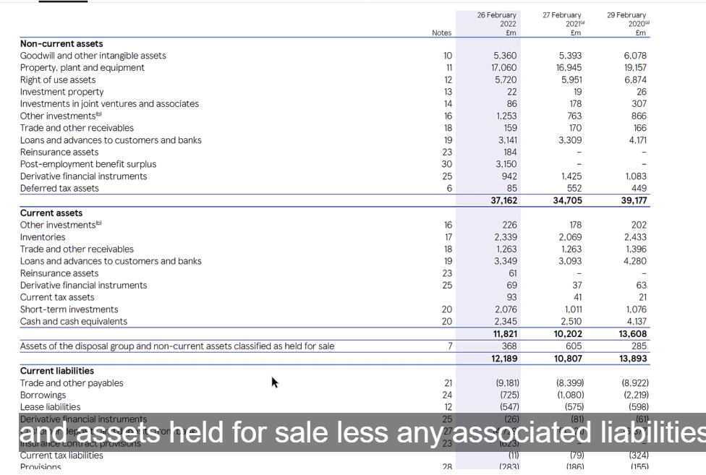
All figures in GBP millions unless stated
100 pence = 1 GBP

Company Information |  |  |  | Market Capitalization

Stock Ticker |  | LSE: TSCO |  | Share Price |  | (GBP/sh) | 2.4870
Company Name |  | Tesco PLC |  | Shares Outstanding |  | (FD mm) | 7,722.3 | 1.开始I12 shares outstanding=Fully Diluted Shares Outstanding
Analysis Date | (YYYY-MM-DD) | 2022-08-31 |  | Market Capitalization |  | (FD) | 19,205.3 | 2.MC=Share Price*Shares Outstanding

Enterprise Value |  |  |  | Net Debt

Market Capitalization | (FD) | 19,205.3 | 3.link 到2 刚算的 | Current Borrowings |  |  | 725.0
Plus: Net Debt |  | 5,054.0 | 7. link 6 | Non-Current Borrowings |  |  | 6,674.0
Plus: Lease Liabilities (Current & Non-Current) |  | 7,958.0 | 8.from 年报 | Other Debt |  |  | –
Plus: Preferred Stock |  | – |  | Total Debt |  |  | 7,399.0 | 4. Alt =
Plus: Non-Controlling Interest |  | 16.0
Less: Investments in Affiliates / JVs |  | (86.0)
Less: Investments, Securities, Other |  | (3,931.0) | 9.加总在年报中的数字 | Less: Cash & Cash Equivalents |  |  | (2,345.0) | 5.got it from the annual report
Enterprise Value |  | 28,216.3 | 10. Alt = | Net Debt |  |  | 5,054.0 | 6 Net Debt=Total Debt扣除Cash & Cash Equivalents

note：Investments in Affiliates / JVs：年报中截取的是non-current assets 里的investments un joint ventures ans associates.(86)
Investments, Securities, Other 用的是Noncurrent的investment property， investment in joint ventures ans associates, other investments,; Current assets 里的other investments, short term investments, assets of the disposal and less any associated liabilities.
Tesco PLC: Income Statement Data (As Reported)

All figures in GBP millions unless stated
100 pence = 1 GBP
 |  | Latest | Current | Previous
 |  | Fiscal Year | YTD 1 | YTD 1 | LTM
Income Statement |  | 2022-02-26 | 2022-02-26 | 2022-02-26 | 2022-02-26 | 7. file the date LTM = =IF(E36,E36,D36)

Revenue |  | 61,344.0 | – | – | 61,344.0 |  | 8.G39=D39+E39-F39
Cost of Sales |  | 56,711.0 | – | – | 56,711.0 | 1.D40 这里的39是减去了impairment reversal , which is allowed in IFRS,but not in US GAAP.
Gross Profit |  | 4,633.0 | – | – | 4,633.0 | 2.D41 Gross Profit = Revenue - Cost of Sales

Selling, General & Administrative |  | 2,073.0 | – | – | 2,073.0
Operating Income (EBIT) |  | 2,560.0 | – | – | 2,560.0 | 3.D44Operating Income (EBIT) = Gross Profit - Selling, General & Administrative

Finance Cost, net |  | 551.0 | – | – | 551.0
Finance, Other Non-Operating Income |  | 9.0 | – | – | 9.0
Income from Equity Investments 2 |  | 15.0 | – | – | 15.0
Earnings Before Tax (EBT) |  | 2,033.0 | – | – | 2,033.0 | 4. EBT=Operating Income (EBIT)-Finance Cost, net + Finance, Other Non-Operating Income+ Income from Equity Investments 2

Taxes |  | 510.0 | – | – | 510.0
Consolidated Net Income |  | 1,523.0 | – | – | 1,523.0 | 5.D52 Consolidated Net Income = Earnings Before Tax (EBT) - Taxes

(Profit)/Loss from Discontinued Operations |  | 40.0 | – | – | 40.0
Non-Controlling Interest |  | 2.0 | – | – | 2.0
Net Income to Company |  | 1,481.0 | – | – | 1,481.0 | 6. Net Income to Company= Consolidated Net Income- (Profit)/Loss from Discontinued Operations - Non-Controlling Interest

Diluted EPS | (GBP/sh) | 0.1912 | na | na | 0.1912 | 10.D59 Diluted EPS = Net Income to Company / Weighted Average Diluted Shares

Weighted Average Diluted Shares | (mm) | 7,746.0 | – | – | 7,746.0 | 9. D61 is Weighted average number of shares

 |  |  |  |  | Use the 'cumulative quarter' or 'semi-annual' amount like 6-months ending instead of 3-months ending.
 |  |  |  |  | Income from Equity Investments also includes income from unconsolidated affiliates and joint ventures (JVs).

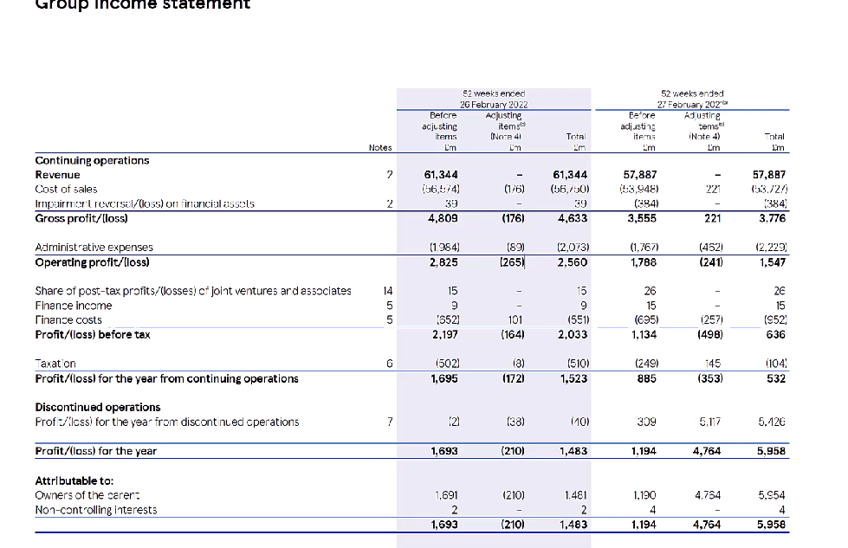
Tesco PLC: Non-IFRS/Non-GAAP Metrics & Analyst Estimates

All figures in GBP millions unless stated
100 pence = 1 GBP
 |  | Latest | Current | Previous
 |  | Fiscal Year | YTD | YTD | LTM
Normalization Adjustments 1 |  | 2022-02-26 | 2022-02-26 | 2022-02-26 | 2022-02-26

Amounts included in Operating (Income)/Expense 2 |  | 265 | – | – | 265 | 11.D78Amounts included in Operating (Income)/Expense 2 这里费用都用负的 | 14.G79 LTM=
Amounts included in Non-operating (Income)/Expense |  | (63) | – | – | (63) | 12.D79 anything beneth that is non operating,like finace cost or finance income= finance income - discounted loss
Tax Impact of Adjustments |  | 8 | – | – | 8 | 13.D80tax impact

 |  | Latest | Current | Previous
 |  | Fiscal Year | YTD | YTD | LTM | FY 2023 | FY 2024
Non-IFRS Metrics & Analyst Estimates 3 |  | 2022-02-26 | 2022-02-26 | 2022-02-26 | 2022-02-26 | 2023-02-28 | 2024-02-29

Revenue |  | 61,344.0 | – | – | 61,344.0 | 63,466.1 | 64,719.6 | 18.G87
EBIT |  | 2,825.0 | – | – | 2,825.0 | 2,675.3 | 2,813.6 | 14.D88 这里用的调整后的EBIT=Earnings Before Tax (EBT)+Amounts included in Operating (Income)/Expense 2
Depreciation & Amortization 4 |  | 1,718.0 | – | – | 1,718.0 | na | na | 17.在cash flow statement里找到的数字
EBITDA |  | 4,543.0 | – | – | 4,543.0 | 4,435.8 | 4,596.5 | 15.skip D89 choose D90 EBITDA = EBIT+ Depreciation & Amortization 4
Net Income to Company 5 |  | 1,691.0 | – | – | 1,691.0 | 1,579.6 | 1,625.7 | 16.Net income to company 这里是最复杂的 = D52 Consolidated Net Income+ D78 Amounts included in Operating (Income)/Expense 2 + D79 Amounts included in Non-operating + (Income)/Expense + D80 Tax Impact of Adjustments - D54 (Profit)/Loss from Discontinued Operations - D55 Non-Controlling Interest

EPS Numerator Adjustment |  | – | – | – | –
EPS Denominator Adjustment | (mm) | – | – | – | –
Diluted EPS | (GBP/sh) | 0.2183 | na | na | 0.2183 | 0.2100 | 0.2200 | 19.D95 Diluted EPS = (D91 Net Income to Company 5 + D93 EPS Numerator Adjustment )/(D61 Weighted Average Diluted Shares + D94 EPS Denominator Adjustment)

 |  |  |  |  | LTM | FY 2023 | FY 2024
 |  | Current Trading Multiples |  |  | 2022-02-26 | 2023-02-28 | 2024-02-29

 |  | Enterprise Value / Revenue |  |  | 0.5x | 0.4x | 0.4x | 20.G103 Enterprise Value / Revenue
 |  | Enterprise Value / EBITDA |  |  | 6.2x | 6.4x | 6.1x | 21.zheyang
 |  | Price / Earnings |  |  | 11.4x | 11.8x | 11.3x | 22.Price / Earnings = Share Price / Diluted EPS

 |  |  |  |  |  |  | Normalization refers to non-recurring/adjusting items in a company's financials. Also may be called Non-IFRS, Non-GAAP or Non-underlying.
 |  |  |  |  |  |  | Adjustments include items in COGS and SG&A.
 |  |  |  |  |  |  | These figures also include Non-GAAP estimates.
 |  |  |  |  |  |  | Not applicable since we have EBITDA estimates.
 |  |  |  |  |  |  | This should reflect the Continuing Net Income attributable to the Company.

Tesco PLC: Fully Diluted Shares Outstanding

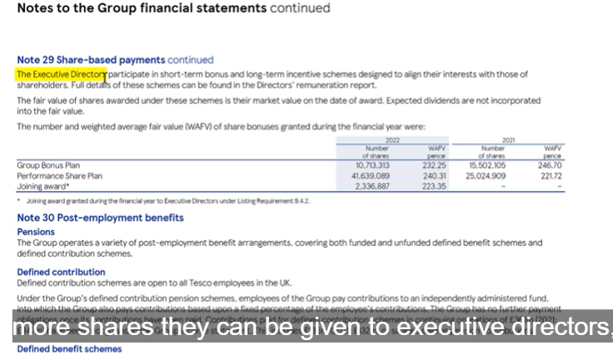
All figures in GBP millions unless stated
100 pence = 1 GBP

 |  |  |  |  |  |  | Unvested
Shares Outstanding |  | Amount |  |  | Other Stock Awards |  | Outstanding
 |  | (mm) |  |  |  |  | (mm)

Basic Shares Outstanding |  | 7,638.0 |  |  | Restricted Stock Units (RSUs) |  | –
Dilution From Unvested Stock Awards |  | 54.7 | 34. D125 link 33 |  | Performance Shares |  | 41.6 | 32. I 125 Note 29
Dilution From Options & Dilutive Securities 1 |  | 29.6 | 31. D126 link 30 |  | Other |  | 13.1
Fully Diluted Shares Outstanding |  | 7,722.3 |  |  | Total |  | 54.7 | 33.alt =

 |  | Number | Share | Exercise | Options | Number
Options & Warrants |  | Outstanding | Price | Price | ITM? | Exercised | Proceeds
 |  | (mm) | (GBP/sh) | (GBP/sh) |  | (mm)

Stock Options - Tranche 1 |  | 160.49 | 2.49 | 2.0834 | Yes | 160.49 | 334.4 | 23.D135在note中找到 |  | 24、F135 | 25.G135=IF(AND(E135>F135,D135<>0),1,0) | 26.H135 | 27.I135
Stock Options - Tranche 2 |  | 6.80 | 2.49 | 2.1223 | Yes | 6.80 | 14.4
Stock Options - Tranche 3 |  | 2.01 | 2.49 | – | Yes | 2.01 | –
Stock Options - Tranche 4 |  | 0.01 | 2.49 | 1.5201 | Yes | 0.01 | 0.0
Stock Options - Tranche 5 |  | 0.54 | 2.49 | – | Yes | 0.54 | –
Stock Options - Tranche 6 |  | – | 2.49 | – | No | – | –
Stock Options - Tranche 7 |  | – | 2.49 | – | No | – | –
Stock Options - Tranche 8 |  | – | 2.49 | – | No | – | –
Warrants |  | – | 2.49 | – | No | – | –
Total |  |  |  |  |  | 169.86 | 348.8

 |  |  |  |  |  |  | Amount
 |  |  |  |  |  |  | (mm)

 |  |  |  | In-the-Money Options |  |  | 169.9 | 28.I150 | 行使认股权所得的任何收益被用来回购公开市场的股票
 |  |  |  | Less: Shares Repurchased by Treasury |  |  | (140.3) | 29.Procededs = proceeds/ share price |  |  | 因此，我们知道它将获得近 3.5 亿美元，并将以目前 2.49 美元的价格回购股票。
 |  |  |  | Number of Additional Shares Issued |  |  | 29.6 | 30.Alt = | so the net dilutive effect of stock options is roughly 30 million new shares.
 |  |  |  |  |  |  |  |  | 因此，股票期权的净稀释效应大约为 3,000 万股新股。

 |  |  |  |  |  |  | Calculated using the Treasury Stock Method.

